Dashboard
='Pivot table'!U7

Commute Distance Per Bike Purchase Decision
 | No | Yes
0-1 Miles | 166 | 200
2-5 Miles | 67 | 95
1-2 Miles | 92 | 77
5-10 Miles | 116 | 76
10+ Miles | 78 | 33
Avg. Income per Bike purchase decision
 | No | Yes
F | $53,440.00 | $55,774.06
M | $56,208.18 | $60,123.97
 | Total
Bachelors | 306
Graduate Degree | 174
High School | 179
Partial College | 265
Partial High School | 76
Occupation & Home Ownership Wise Average Income
 | No | Yes
Clerical | 31111 | 31053
Management | 99444 | 83285
Manual | 17551 | 16143
Professional | 75361 | 74916
Skilled Manual | 53750 | 50765
Age Bracket Per Bike Purchase Decision
 | No | Yes
Young 0-30 | 71 | 39
Senior 55+ | 130 | 59
Middle 31-54 | 318 | 383
BIKE SALES DASHBOARD
Customer Count
Purchases
Average Income
1000
56360
481

Requirements
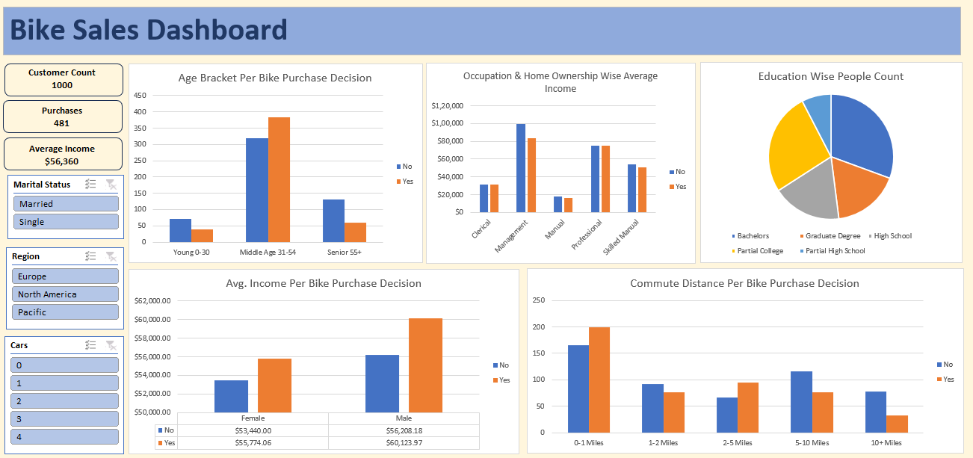

Project 3 - Bike Users Data

 | 1. Clean the data. Check for duplicate rows in the data.

 | 2. Pivot Insights
 | Generate following insights using pivot tables:
 | a) Gender wise Avg. Income Per Bike Purchase Decision.
 | b) Commute Distance Per Bike Purchase Decision.
 | c) Age Bracket Per Bike Purchase Decision.
 | d) Occupation & Home Ownership Wise Average Income.
 | e) People Count based on Education.

 | 3. Create a dashboard. Refer to the image of expected dashboard.

